Santos
...
4Q25 | 1Q26 | 2Q26 | 3Q26 | 4Q26 | x
2025-10-01 | 2026-01-01 | 2026-04-01 | 2026-07-01 | 2026-10-01 | x
2025-12-31 | 2026-03-31 | 2026-06-30 | 2026-09-30 | 2026-12-31 | x
2025 | 2026 | 2026 | 2026 | 2026 | x
 |  |  |  |  | x
 |  |  |  |  | x
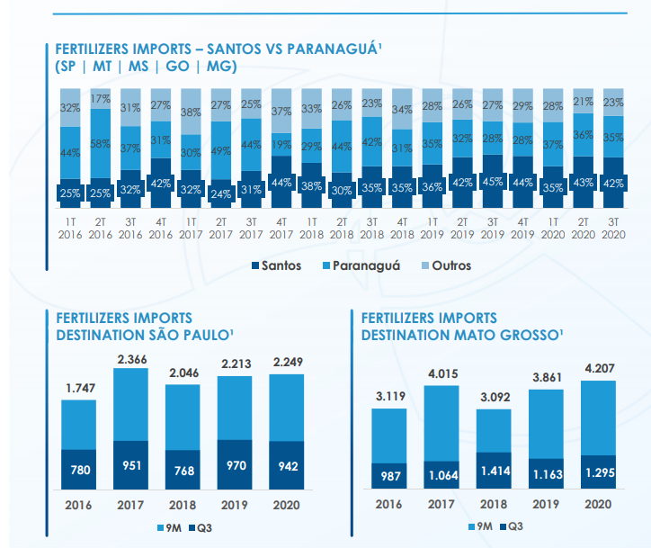
687.4 | 702.5 | 705.3 | 708.1 | 711.0 | x
277.6 | 280.4 | 283.2 | 286.1 | 288.9 | x
409.8 | 422.1 | 422.1 | 422.1 | 422.1 | x
 |  |  |  |  | x
3.4% | 3.4% | 3.4% | 3.4% | 3.4% | x
4.1% | 4.1% | 4.1% | 4.1% | 4.1% | x
3.0% | 3.0% | 3.0% | 3.0% | 3.0% | x
 |  |  |  |  | x
0.4% | 2.2% | 0.4% | 0.4% | 0.4% | x
1.0% | 1.0% | 1.0% | 1.0% | 1.0% | x
1.0% | 1.0% | 1.0% | 1.0% | 1.0% | x
 |  |  |  |  | x
 |  |  |  |  | x
36.4 | 38.0 | 38.2 | 38.4 | 38.6 | x
 |  |  |  |  | x
 |  |  |  |  | x
 |  |  |  |  | x
 |  |  |  |  | x
 |  |  |  |  | x
 |  |  |  |  | x
 |  |  |  |  | x
21.1 | 22.3 | 22.4 | 22.6 | 22.7 | x
58.0% | 58.7% | 58.7% | 58.7% | 58.7% | x
 |  |  |  |  | x
 |  |  |  |  | x
 |  |  |  |  | x
21.1 | 22.2 | 22.4 | 22.6 | 22.8 | x
15.3 | 15.8 | 15.8 | 15.8 | 15.8 | x
 |  |  |  |  | x
$76.04 | $79.08 | $79.08 | $79.08 | $79.08 | x
$37.41 | $37.41 | $37.41 | $37.41 | $37.41 | x

Stock
 | Hidrovias | Rumo | Bovespa
9/25/2020 | 0% | 0% | 0%
9/28/2020 | -3% | -5% | -2%
9/29/2020 | -5% | -8% | -4%
9/30/2020 | -2% | -9% | -2%
10/1/2020 | -1% | -6% | -2%
10/2/2020 | -4% | -9% | -3%
10/5/2020 | -5% | -9% | -1%
10/6/2020 | -6% | -10% | -1%
10/7/2020 | -10% | -12% | -2%
10/8/2020 | -10% | -11% | 1%
10/9/2020 | -9% | -14% | 0%
10/13/2020 | -11% | -14% | 2%
10/14/2020 | -8% | -9% | 2%
10/15/2020 | -7% | -9% | 2%
10/16/2020 | -7% | -10% | 1%
10/19/2020 | -8% | -10% | 2%
10/20/2020 | -9% | -11% | 4%
10/21/2020 | -11% | -12% | 4%
10/22/2020 | -11% | -11% | 5%
10/23/2020 | -8% | -13% | 4%
10/26/2020 | -9% | -14% | 4%
10/27/2020 | -12% | -13% | 3%
10/28/2020 | -17% | -16% | -2%
10/29/2020 | -17% | -12% | 0%
10/30/2020 | -20% | -12% | -3%
11/3/2020 | -13% | -12% | -1%
11/4/2020 | -12% | -9% | 1%
11/5/2020 | -11% | -5% | 4%
11/6/2020 | -11% | -8% | 4%
11/9/2020 | -12% | -2% | 7%
11/10/2020 | -13% | -4% | 9%
11/11/2020 | -14% | -4% | 8%
11/12/2020 | -14% | -9% | 5%
11/13/2020 | -15% | -7% | 8%
11/16/2020 | -16% | -9% | 10%
11/17/2020 | -15% | -10% | 11%
11/18/2020 | -14% | -12% | 10%
11/19/2020 | -13% | -11% | 10%
11/23/2020 | -13% | -8% | 11%
11/24/2020 | -12% | -9% | 13%
11/25/2020 | -9% | -8% | 14%
11/26/2020 | -9% | -7% | 14%
11/27/2020 | -6% | -7% | 14%
11/30/2020 | -7% | -9% | 12%
12/1/2020 | -1% | -6% | 15%
12/2/2020 | 2% | -4% | 15%
12/3/2020 | 0% | -3% | 16%
12/4/2020 | -4% | -1% | 17%
12/7/2020 | -6% | -4% | 17%
12/8/2020 | -8% | -5% | 17%
...
Bovespa | Hidrovias | Rumo | Bovespa
96999.00 | 0% | 0% | 0%
94666.00 | -3% | -5% | -2%
93580.00 | -5% | -8% | -4%
94603.00 | -2% | -9% | -2%
95479.00 | -1% | -6% | -2%
94016.00 | -4% | -9% | -3%
96089.00 | -5% | -9% | -1%
95615.00 | -6% | -10% | -1%
95526.00 | -10% | -12% | -2%
97920.00 | -10% | -11% | 1%
97483.00 | -9% | -14% | 0%
98503.00 | -11% | -14% | 2%
99334.00 | -8% | -9% | 2%
99054.00 | -7% | -9% | 2%
98309.00 | -7% | -10% | 1%
98658.00 | -8% | -10% | 2%
100540.00 | -9% | -11% | 4%
100552.00 | -11% | -12% | 4%
101918.00 | -11% | -11% | 5%
101260.00 | -8% | -13% | 4%
101017.00 | -9% | -14% | 4%
99606.00 | -12% | -13% | 3%
95369.00 | -17% | -16% | -2%
96582.00 | -17% | -12% | 0%
93952.00 | -20% | -12% | -3%
95587.00 | -13% | -12% | -1%
97811.00 | -12% | -9% | 1%
100774.00 | -11% | -5% | 4%
100799.00 | -11% | -8% | 4%
...

